Secton 2
PERD profile--Product Energy Data
2.1 | Power Consumption
 | Does this product consume any power? (Consider power consumption of the product when fully featured.)
 | Yes - complete Sections 2.2 - 2.4
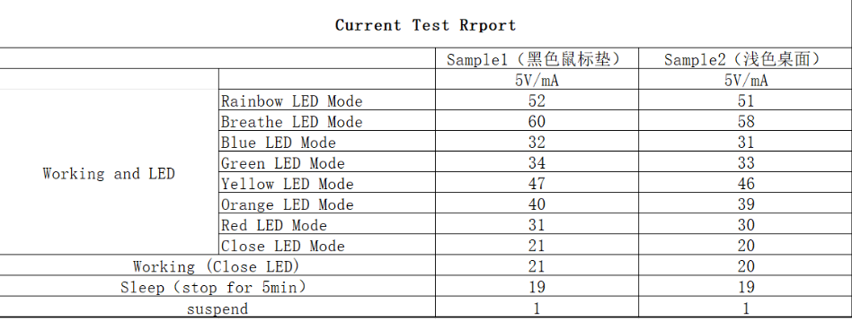
 | No- move to section 2.5
2.2 | Power Mode
 | Provide Power consumption data for all applicable power modes in the table below
 | Power Mode | Power Mode Description (i.e. Use Product specific definitions in form instructions.) | Power Consumption
 |  |  | 5V /mA | 115V (watts) | 230V (watts)
 | Peak (On - max) | mouse boot moment DC5V | 64 | / | /
 | On - Normal | normal use | 53 | / | /
 | On - Idle | get into slpee1 | 50 | / | /
 | Standby | get into slpee2 | 20 | / | /
 | Sleep | get into disconnection | 1 | / | /
 | Off | Power OFF | / | / | /
2.2.1 | Attach Power Consumption Test Report (Please ensure Peak power mode data is included)
2.2.2 | Attach ERP Test Report (European Regulation Report)
2.2.3 | Provide the rating of the power supply (maximum allowed power draw).
2.2.4 | Does this personal computer product (laptops, desktops) have an external power supply (AC adapter(s)) that are sold with the product as a unit? |  |  |  |  |  | YES
2.3 | Measured Heat Output
 | Provide the product's maximum measured heat output per C-S 2-4700-000 "Primary Power Limits and Design Requirements, 50HZ and 60HZ; Normal Parameters/IGN Power Systems/Power/Profile." |  |  |  |  | (Measured in watts) (Estimated in watts)

2.4 | Japanese Energy Saving Law information (see N-B 1-9174-001)
 | Click here for Japanese Energy Saving Law Calculation
 | For more information on Law Concerning the Rational Use of Energy, please refer to PowerPoint presentation and FY2007 Target Standard Explanation.
 | The following information is needed for compliance with the Japanese Energy Savings Law for products announced and marketed after 4/2011. This requirement applies to all computers (Servers, Midrange Computers, Workstations, Personal Computers, and so on) and Direct Access Storage Devices(DASD) (see bulletin for more information).
 | Reporting information will now be required for both 2005 targets/requirements and 2007 targets/requirements (starting 6/1/2003). Please note that for the 2007 targets the energy consumption calculation takes into account both the standby mode and newly added idle mode. Also the category designations have changed (see bulletin for more information).

 | (d.) Unmade Selection

2.5 | China Energy Law Information
2.5.1 | Was China Energy Conservation Program (CECP) certificate required ? |  |  | N/A
 | Exclusions

Section 5
PERD profile--Environmental Product Design
5.1 | Product Features
 | Does this product contains any energy efficiency or savings features (both hardware and software)?
 | Yes | As long as system suspend, the docking device will automatically enter standby mode for energy saving
 | No
 | Please comment on your selected answer.
5.2 | Energy Controls
 | Are all energy savings controls or settings fully described in the product user manual?
 | Yes
 | No
 | Please comment on your selected answer.
5.3 | Product Disposal
 | Are all hazardous parts and components requiring special disposal identified in the product literature?
 | Yes
 | No
 | Please comment on your selected answer.
5.4 | Common Parts
 | Does product have common mechanical packages (such as covers and chassis) or common parts or components that are used for multiple models in the product family in multiple generations of the same product, allowing the reuse of common parts (excluding screws or fasteners).
 | Yes | Some metal or plastic parts are common part design
 | No
 | Please comment on your selected answer.
5.5 | Product Documentation
 | Select any environmental attributes that apply to the product documentation/manuals.
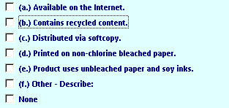

 | one or more than one answer? ( a/b)
5.6 | Upradeability and Expandability |  |  |  | N/A
 | Select any product feature which promotes upgradeability and expandability and then fill in the appropriate information below.
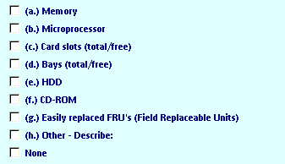

 | one or more than one answer? ( )
5.7 | Ease of Repair
 | Select all product features which promote ease of repair or longer product life.

 | one or more than one answer? ( b,c )

5.8 | Plastic Parts
 | Is the same plastic type used for all plastic parts 25 grams or greater?
 | Yes
 | No
 | Please comment on your selected answer.

5.9 | Recycled Content
 | Does this product contain plastic parts that contain recycled content?
 | Yes
 | No
 | Please comment on your selected answer.

5.1 | Recycling Efforts |  | N/A
 | Cite any and all efforts to increase the usage of recyclable materials used in this product.
 | Please comment on your selected answer.

 | Cite all efforts to design this product for recycling and provide future plans for improving the design for recycling.
 | Please comment on your selected answer.
 | The disassembly can be done by using screw driver. Easy for tearing down and recycle
5.11 | Printer Features |  |  | N/A
 | For printer(s), select any environmental design features to reduce consumables.

 | one or more than one answer? ( )

Section 7
PERD profile-- Standards Compliance and Additional Information for Environment Declarations
7.1 | Environmentally Conscious Design
 | Does the product comply with C-S 1-9700-020, "Environmentally Conscious Design", and all of the applicable Lenovo Standards and Bulletins detailed in the standards?
 | Yes
 | No
7.2 | Prohibited Substances
 | The substances listed below are prohibited from use in any Lenovo Product. Please check any of these substances if they are present in this product. If none of these substances are present, please select "None" and then provide the method(s) used to verify absence of these substances.
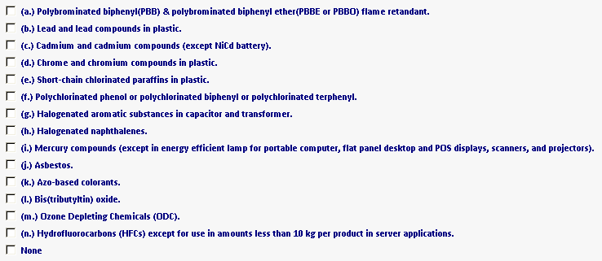

 | one or more than one answer? ( NO )
 | Please provide part number(s) and location(s) of where any of the substances may reside in the product.

 | Attach supplier certification ( a file containing a document or image) for purchased parts/assemblies (disk drives, power supplies, cables, card assemblies, etc.) that do not have their own PERD.

7.3 | Plastic Standard
 | Are all plastic parts weighing 25 grams or more marked with full identification in accordance with ISO 11469 ?
 | Yes - Plastic parts > 25 grams have full ID
 | No - Plastic parts > 25 grams do not have full ID
 | Not Applicable - No plastic parts > 25 grams
 | To be determined

7.4 | Polyvinyl Chloride Cables and Cords
 | Questions on compliance to National Bulletin on Polyvinyl Chloride Cables and Cords:
 | Does the product contain polyvinyl cables or cords subject to the requirements of N-B 5-2382-602?
 | Yes
 | No

